TAX_DOC
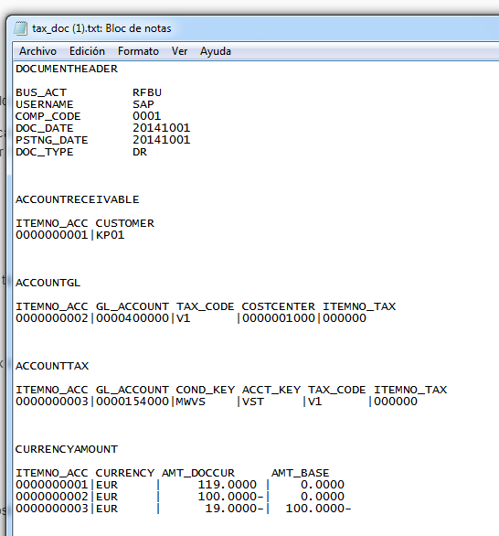
Financial Document ID. Group items into an Acc. Document | Company Code | Document Type | Document Date in Document | Posting Date in the Document | Currency Key | Document Header Text | Customer Number | General Ledger Account | Amount in Document Currency | Tax on sales/purchases code | Cost Center
CHAR 255 | CHAR 4 | CHAR 2 | DATS 8 | DATS 8 | CUKY 5 | CHAR 25 | CHAR 10 | CHAR 10 | DEC 23 4 | CHAR 2 | CHAR 10
ID_ACCDOC | BUKRS | BLART | BLDAT | BUDAT | WAERS | BKTXT | KUNNR | HKONT | WRBTR | MWSKZ | KOSTL
TAX_DOC | 0001 | DR | 2014-10-01 | 2014-10-01 | EUR |  | 3 |  | 116
TAX_DOC | 0001 | DR | 2014-10-01 | 2014-10-01 | EUR |  |  | 400000 | -116 | V1 | 0000001000

CPD
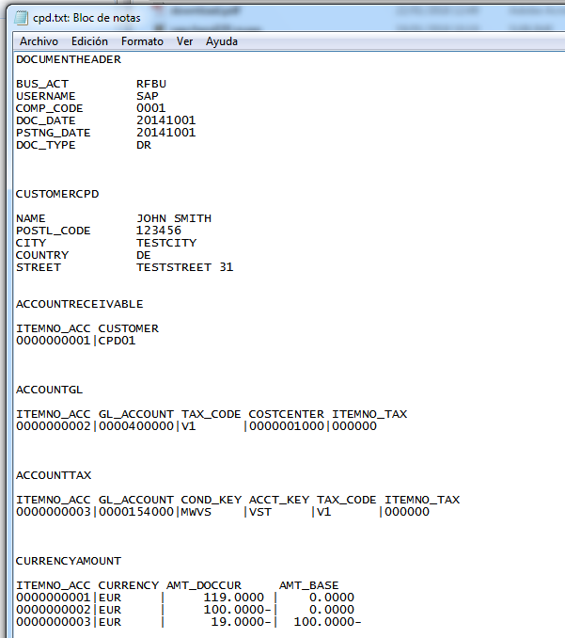
Financial Document ID. Group items into an Acc. Document | Company Code | Document Type | Document Date in Document | Posting Date in the Document | Currency Key | Document Header Text | Customer Number | General Ledger Account | Amount in Document Currency | Tax on sales/purchases code | Cost Center | Name 1 | Postal Code | Country key in ISO code | City | House number and street
CHAR 255 | CHAR 4 | CHAR 2 | DATS 8 | DATS 8 | CUKY 5 | CHAR 25 | CHAR 10 | CHAR 10 | DEC 23 4 | CHAR 2 | CHAR 10 | CHAR 35 | CHAR 10 | CHAR 2 | CHAR 35 | CHAR 35
ID_ACCDOC | BUKRS | BLART | BLDAT | BUDAT | WAERS | BKTXT | KUNNR | HKONT | WRBTR | MWSKZ | KOSTL | NAME | POSTL_CODE | COUNTRY_ISO | CITY | STREET
CPD | 0001 | DR | 2014-10-01 | 2014-10-01 | EUR |  | 20020 |  | 116 |  |  | JOHN SMITH | 12345 | DE | TESTCITY | TESTSTREET 31
CPD | 0001 | DR | 2014-10-01 | 2014-10-01 | EUR |  |  | 400000 | -116 | V1 | 0000001000

